Expander
File name | deep cut terbo-expander plant.hsc
Unit Operation | gas turbine

Workflow
1. Open attached deep cut terbo-expander plant.hsc file.
2. Click on the Datasheet button, select a sever to connect, then select a workspace to connect.
3. Click on the Mapper tab, Mapper page opens.
4. Click on the hyperlink of gas turbine to open the Object Mapping screen.
5. Select Gas Turbine for Map As column, Create for Workspace column. Make sure the ports are mapped automatically in the Ports Mapping section.
6. Click on the "x" at the right top corner to close the Object Mapping screen.
7. Click Save Change and Transfer.
8. Click on "Explorer" tab, confirm gas turbine is shown in by Equipment view and all data are transferred correctly. Also you can check data in desktop Explorer, doube click on the object to see the attributes.

Expected Results |  | Notes: Existing Defect CQ00768924 V10 [SM]-Hysys-Expander: Polytropic and Adiabatic Efficiency is incorrect

Expander(CQ00748768)
 |  |  |  |  |  | In ABE
Index Number | Attributes | AbeAds Class View | Abe Default Attributes View | Hysys Value | Unit |  | Inlet | Outlet
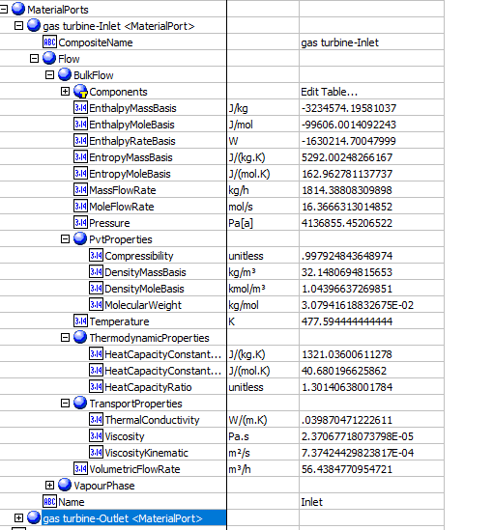
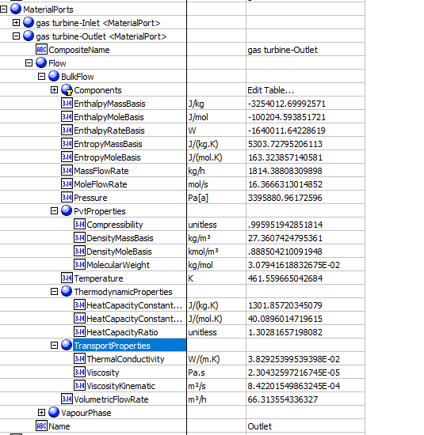
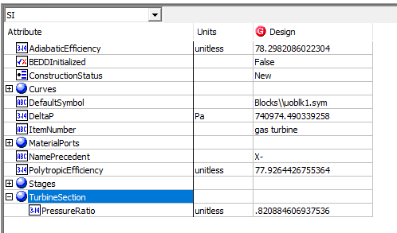
4 | CompressibilityIn (Z factor) | CompressibiltyIn (unitless) | Stages(1).MaterialPorts[Name="Inlet"].Flow.BulkFlow.PvtProperties.Compressibility(unitless) | 0.99792484365 | unitless
5 | CompressibilityOut | CompressibiltyOut(unitless) | Stages(1).MaterialPorts[Name="Outlet"].Flow.BulkFlow.PvtProperties.Compressibility(unitless) | 0.99595194285 | unitless
6 | IsentropicCoefficient (Efficiency) | IsentropicCoefficient | NO ABE Mapping provided | 78.298208602 | %
7 | Outlet Pressure(kPa) | PressureOut (Pa[a]) | Stages(1).MaterialPorts[Name="Outlet"].Flow.BulkFlow.Pressure (Pa[a]) | 3395.8809617 | kPa
8 | Outlet Temperature (K) | TemperatureOut (K) | Stages(1).MaterialPorts[Name="Outlet"].Flow.BulkFlow.Temperature (K) | 461.55966504 | kPa
9 | MassFlowin (kg/h) | MassFlowIn (kg/h) | Stages(1).MaterialPorts[Name="Inlet"].Flow.BulkFlow.MassFlowRate (kg/h) | 1814.3880976 | kg/h
10 | MoleFlowin (gmol/s) | MoleFlowIn (mol/s) | Stages(1).MaterialPorts[Name="Inlet"].Flow.BulkFlow.MoleFlowRate (mol/s) | 16.366631301 | gmol/s
11 | MassFlowOut (kg/h) | MassFlowOut (kg/hr) | Stages(1).MaterialPorts[Name="Outlet"].Flow.BulkFlow.MassFlowRate (kg/h) | 1814.3880976 | kg/h
12 | Moleflowout (gmol/s) | MoleFlowOut (mol/s) | Stages(1).MaterialPorts[Name="Outlet"].Flow.BulkFlow.MoleFlowRate (mol/s) | 16.366631301 | gmol/s
13 | EnthalpyFlowIn (kJ/kg) | EnthalpyFlowIn (J/kg) | Stages(1).MaterialPorts[Name="Inlet"].Flow.BulkFlow.EnthalpyMassBasis (J/kg) | -3234.5741958 | J/kg
14 | EnthalpyFlowOut (kJ/kg) | EnthalpyFlowOut (J/kg) | Stages(1).MaterialPorts[Name="Outlet"].Flow.BulkFlow.EnthalpyMassBasis (J/kg) | -3254.0126999 | J/kg
15 | VolumetricFlowOut (m3/h) | VolumetricFlowOut (m3/h) | Stages(1).MaterialPorts[Name="Inlet"].Flow.BulkFlow.PvtProperties.VolumetricFlowRate(m3/h) | 66.313554867 | m3/h
19 | PressureDrop (kPa) | PressureDrop (Pa) | DeltaP (Pa) | 740.97449034 | kPa
20 | Polytropic Efficiency | PolytropicEfficiency (%) | PolytropicEfficiency (%) | 77.926442676 | %
21 | PressureRatio | PressureRatio (%) | TurbineSection. PressureRatio | 0.82088460694

Expander Curves

Index Number | AbeAds Class View | Attributes | Abe Default Attributes View | Hysys Value | Units

 |  |  |  |  |  | Curves
23 | Speed (rpm) | Curve Speed (rpm) | Curves.Speed (rpm) | 1200 | rpm
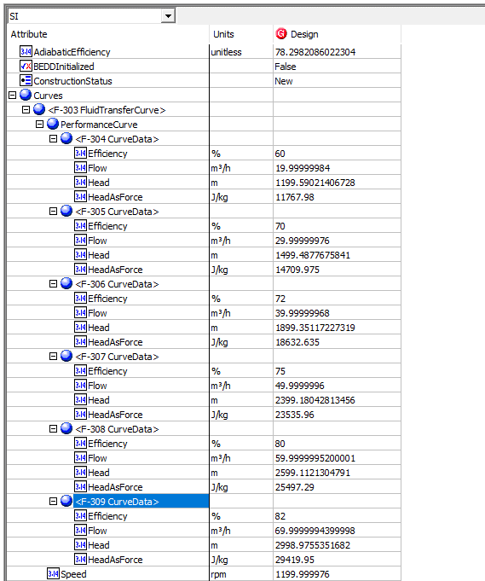
1 | DataEfficiency (%) | Efficiency (%) | Curves. PerformanceCurves.Efficiency (%)
 |  | 1 | 1 | 60 | %
 |  | 2 | 2 | 70 | %
 |  | 3 | 3 | 72 | %
 |  | 4 | 4 | 75 | %
 |  | 5 | 5 | 80 | %
 |  | 6 | 6 | 82 | %

2 | DataFlow | Flow (m3/h) | Curves. PerformanceCurves.Flow (m3/h)
 |  | 1 | 1 | 20 | m3/h
 |  | 2 | 2 | 30 | m3/h
 |  | 3 | 3 | 40 | m3/h
 |  | 4 | 4 | 50 | m3/h
 |  | 5 | 5 | 60 | m3/h
 |  | 6 | 6 | 70 | m3/h

3 | DataHead | Head (kJ/kg) | Curves. PerformanceCurves.Head (J/kg)
 |  | 1 | 1 | 11.772 | kJ/kg
 |  | 2 | 2 | 14.715 | kJ/kg
 |  | 3 | 3 | 18.639 | kJ/kg
 |  | 4 | 4 | 23.544 | kJ/kg
 |  | 5 | 5 | 25.506 | kJ/kg
 |  | 6 | 6 | 29.43 | kJ/kg

